Sheet1
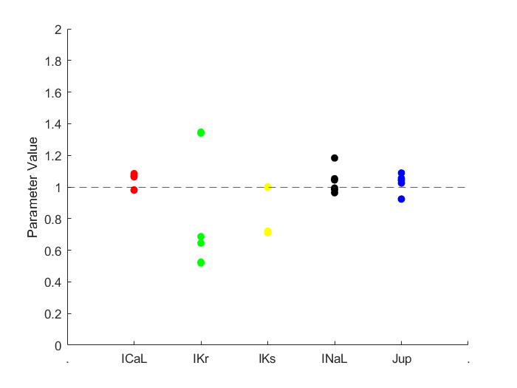
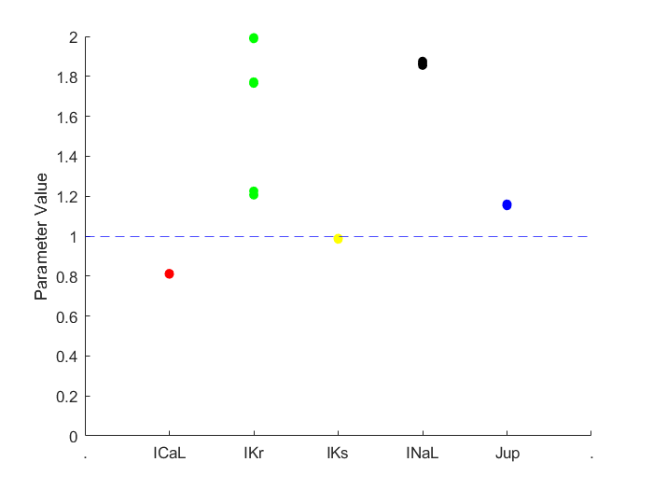
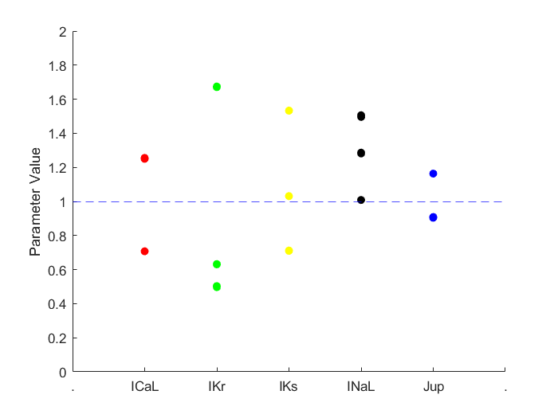
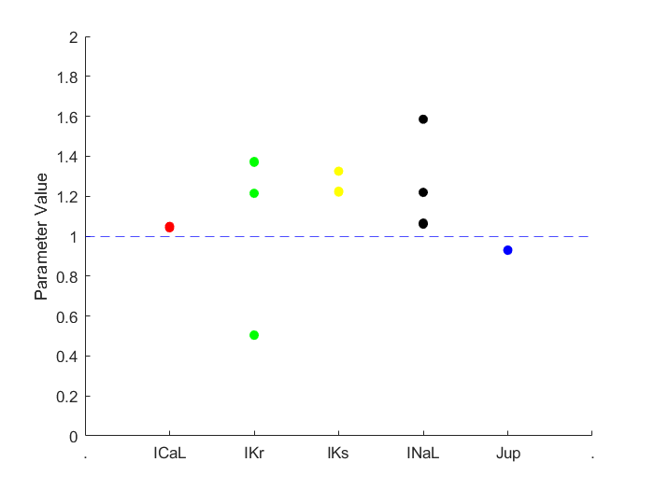
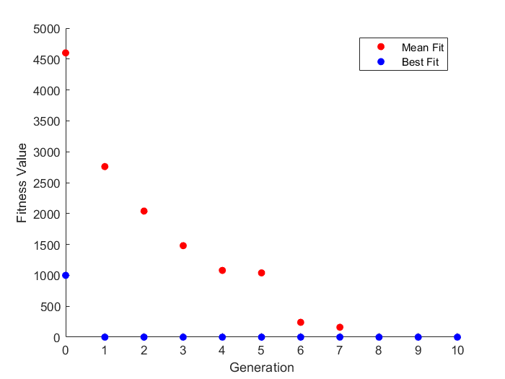
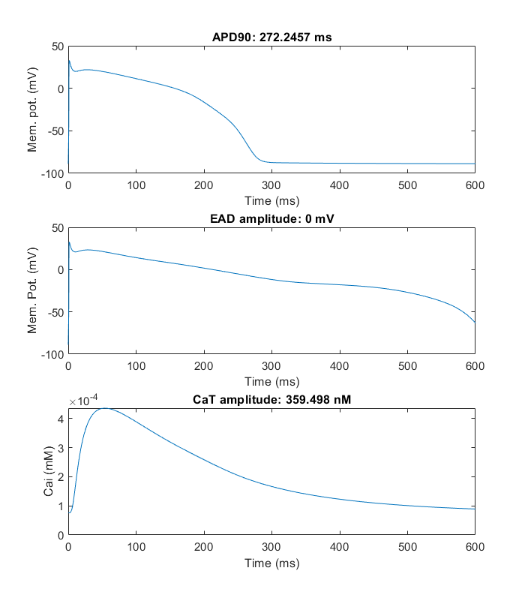
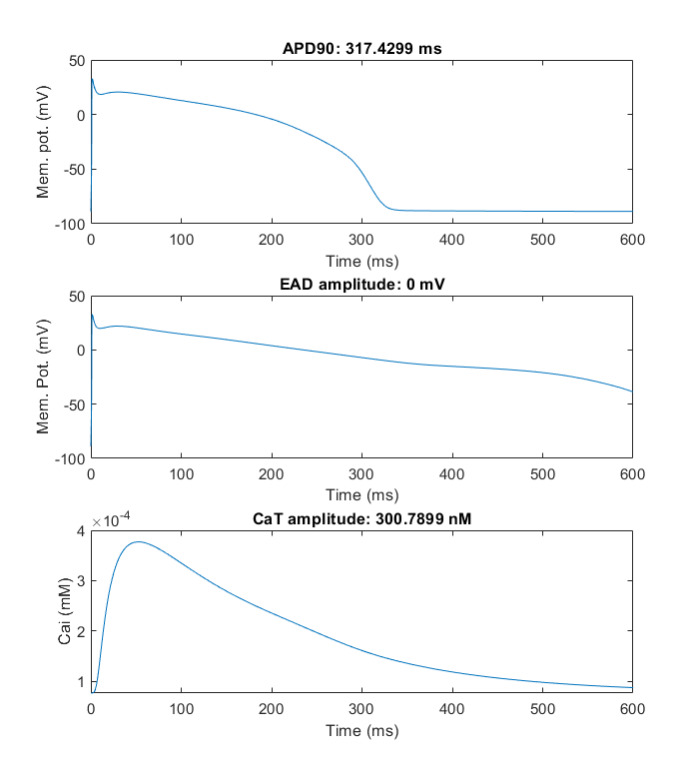
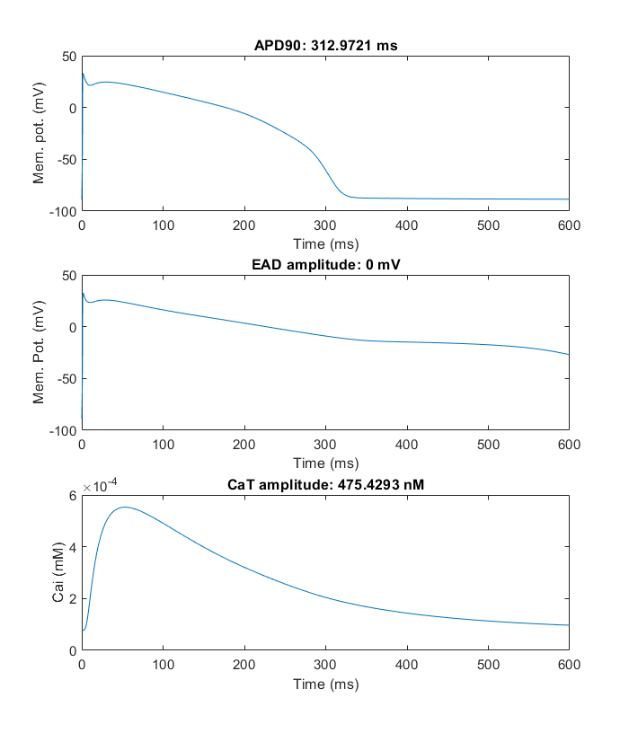
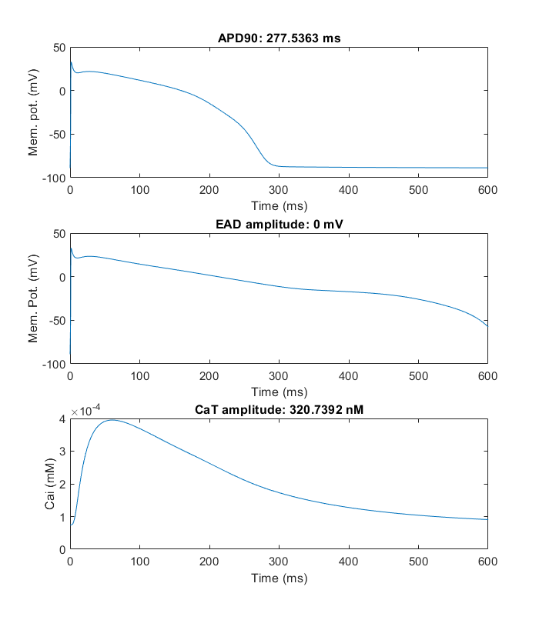
Trial 1 |  |  |  |  | Trial 2 |  |  |  |  | Trial 3 |  |  |  |  | Trial 4
ICaL | Ikr | Iks | INaL | Jup | ICaL | Ikr | Iks | INaL | Jup | ICaL | Ikr | Iks | INaL | Jup | ICaL | Ikr | Iks | INaL | Jup
0.065634126887 | -0.65543401507 | -0.002290327225 | -0.037395611536 | 0.039946389709 | -0.2109526403 | 0.18757556705 | -0.0152242726 | 0.62206379606 | 0.14626984089 | 0.22303718465 | 0.51338878038 | 0.030550537338 | 0.40889380186 | -0.098790118728 | 0.044497624311 | -0.68548986928 | 0.19932511771 | 0.062251536186 | -0.073650001717
1.0678359532 | 0.51921666582 | 0.99771229357 | 0.96329496935 | 1.0407549775 | 0.80981241845 | 1.2063214041 | 0.98489103076 | 1.8627684518 | 1.157508489 | 1.2498670487 | 1.6709440738 | 1.0310219938 | 1.5051518677 | 0.90593282641 | 1.0455024929 | 0.50384335173 | 1.2205787332 | 1.0642300034 | 0.92899678423

0.065634126887 | -0.65543401507 | -0.002290327225 | -0.037395611536 | 0.039946389709 | -0.2109526403 | 0.18757556705 | -0.0152242726 | 0.62206379606 | 0.14626984089 | 0.22303718465 | 0.51338878038 | 0.030550537338 | 0.40889380186 | -0.098790118728 | 0.044497624311 | -0.68548986928 | 0.19932511771 | 0.062251536186 | -0.073650001717
-0.020474091788 | -0.43837835362 | -0.34286683836 | 0.043116574213 | 0.053679409364 | -0.2109526403 | 0.18757556705 | -0.0152242726 | 0.62206379606 | 0.14626984089 | 0.22303718465 | -0.46116973471 | 0.42684554329 | 0.24793416089 | -0.098790118728 | 0.044497624311 | 0.31451013072 | 0.19932511771 | 0.062251536186 | -0.073650001717
-0.020474091788 | -0.37587835362 | -0.32724183836 | 0.16811657421 | 0.084929409364 | -0.2109526403 | 0.18757556705 | -0.0152242726 | 0.62206379606 | 0.14626984089 | -0.34610889283 | -0.46116973471 | 0.42684554329 | 0.24793416089 | 0.15134258057 | 0.044497624311 | -0.68548986928 | 0.19932511771 | 0.062251536186 | -0.073650001717
0.065634126887 | 0.2931107632 | -0.002290327225 | -0.018131308137 | -0.080250422314 | -0.2109526403 | 0.56847242981 | -0.0152242726 | 0.62206379606 | 0.14626984089 | 0.22303718465 | -0.69963480276 | -0.34299469469 | 0.0085550571622 | -0.098790118728 | 0.044497624311 | 0.19430303947 | 0.19932511771 | 0.4606887137 | -0.073650001717
0.065634126887 | -0.65543401507 | -0.002290327225 | -0.037395611536 | 0.039946389709 | -0.2109526403 | 0.68757556705 | -0.0152242726 | 0.62206379606 | 0.14626984089 | 0.22303718465 | 0.51338878038 | 0.42684554329 | 0.24793416089 | -0.098790118728 | 0.044497624311 | 0.19430303947 | 0.19932511771 | 0.19819850057 | -0.073650001717
-0.020474091788 | -0.43837835362 | -0.32724183836 | 0.16811657421 | 0.084929409364 | -0.2109526403 | 0.18757556705 | -0.0152242726 | 0.62206379606 | 0.14626984089 | 0.22303718465 | 0.51338878038 | 0.030550537338 | 0.40889380186 | 0.15134258057 | 0.044497624311 | 0.31451013072 | 0.19932511771 | 0.062251536186 | -0.073650001717
-0.020474091788 | -0.65543401507 | -0.002290327225 | 0.043116574213 | 0.039946389709 | -0.2109526403 | 0.56847242981 | -0.0152242726 | 0.62206379606 | 0.14626984089 | 0.22303718465 | -0.69963480276 | -0.34299469469 | 0.40889380186 | -0.098790118728 | 0.044497624311 | 0.19430303947 | 0.19932511771 | 0.062251536186 | -0.073650001717
-0.020474091788 | -0.65543401507 | -0.002290327225 | -0.018131308137 | 0.039946389709 | -0.2109526403 | 0.68757556705 | -0.0152242726 | 0.62206379606 | 0.14626984089 | 0.22303718465 | -0.69963480276 | 0.42684554329 | 0.40889380186 | -0.098790118728 | 0.044497624311 | -0.68548986928 | 0.28151041381 | 0.062251536186 | -0.073650001717
0.065634126887 | -0.65543401507 | -0.002290327225 | -0.037395611536 | 0.039946389709 | -0.2109526403 | 0.68757556705 | -0.0152242726 | 0.62206379606 | 0.14626984089 | -0.34610889283 | -0.46116973471 | 0.42684554329 | 0.24793416089 | 0.15134258057 | 0.044497624311 | 0.19430303947 | 0.19932511771 | 0.062251536186 | -0.073650001717
0.072164888606 | 0.29774943508 | -0.33731263914 | 0.043116574213 | 0.039946389709 | -0.2109526403 | 0.18757556705 | -0.0152242726 | 0.62206379606 | 0.14626984089 | 0.22303718465 | -0.46116973471 | 0.42684554329 | 0.24793416089 | -0.098790118728 | 0.044497624311 | -0.68548986928 | 0.19932511771 | 0.062251536186 | -0.073650001717
0.065634126887 | -0.65543401507 | -0.002290327225 | -0.018131308137 | 0.039946389709 | -0.2109526403 | 0.18757556705 | -0.0152242726 | 0.62206379606 | 0.14626984089 | 0.22303718465 | 0.51338878038 | 0.030550537338 | 0.40944311827 | -0.096165607009 | 0.044497624311 | -0.68548986928 | 0.19932511771 | 0.062251536186 | -0.073650001717
-0.020474091788 | -0.65543401507 | -0.002290327225 | -0.018131308137 | 0.039946389709 | -0.2109526403 | 0.68757556705 | -0.0152242726 | 0.62206379606 | 0.14626984089 | 0.22303718465 | -0.46116973471 | 0.42684554329 | 0.40889380186 | -0.098790118728 | 0.044497624311 | 0.31451013072 | 0.19932511771 | 0.062251536186 | -0.073650001717
0.081259126887 | -0.6449359682 | -0.00058134285 | -0.0064125581368 | 0.024321389709 | -0.2109526403 | 0.68757556705 | -0.0152242726 | 0.62206379606 | 0.14626984089 | 0.22303718465 | -0.69060159964 | -0.34299469469 | 0.24793416089 | -0.098790118728 | 0.044497624311 | -0.68548986928 | 0.19932511771 | 0.062251536186 | -0.073650001717
-0.020474091788 | -0.6449359682 | -0.32724183836 | 0.16811657421 | 0.084929409364 | -0.2109526403 | 0.68757556705 | -0.0152242726 | 0.62206379606 | 0.14626984089 | 0.22303718465 | -0.69963480276 | 0.030550537338 | 0.24793416089 | -0.098790118728 | 0.044497624311 | 0.19430303947 | 0.28151041381 | 0.4606887137 | -0.073650001717
0.065634126887 | -0.65543401507 | -0.002290327225 | -0.037395611536 | 0.039946389709 | -0.2109526403 | 0.68757556705 | -0.0152242726 | 0.62206379606 | 0.14626984089 | 0.22303718465 | -0.46116973471 | 0.42684554329 | 0.24793416089 | -0.098790118728 | 0.044497624311 | -0.68548986928 | 0.19932511771 | 0.062251536186 | -0.073650001717
0.081259126887 | -0.37587835362 | -0.00058134285 | -0.0064125581368 | 0.084929409364 | -0.2109526403 | 0.18757556705 | -0.0152242726 | 0.62206379606 | 0.14626984089 | 0.22303718465 | -0.46116973471 | 0.42684554329 | 0.24793416089 | -0.098790118728 | 0.044497624311 | 0.31451013072 | 0.19932511771 | 0.062251536186 | -0.073650001717
0.065634126887 | -0.65543401507 | -0.002290327225 | -0.037395611536 | 0.039946389709 | -0.2109526403 | 0.20320056705 | -0.0152242726 | 0.62865559294 | 0.14626984089 | 0.22303718465 | -0.46116973471 | 0.42684554329 | 0.24793416089 | -0.098790118728 | 0.044497624311 | -0.68548986928 | 0.19932511771 | 0.062251536186 | -0.073650001717
-0.020474091788 | -0.43837835362 | -0.34286683836 | 0.043116574213 | 0.039946389709 | -0.2109526403 | 0.68757556705 | -0.0152242726 | 0.62206379606 | 0.14626984089 | 0.22303718465 | -0.69060159964 | -0.33982086656 | 0.24793416089 | -0.098790118728 | 0.044497624311 | -0.68548986928 | 0.19932511771 | 0.062251536186 | -0.073650001717
0.065634126887 | -0.65543401507 | -0.34286683836 | -0.037395611536 | 0.039946389709 | -0.2109526403 | 0.68757556705 | -0.0152242726 | 0.62206379606 | 0.14626984089 | 0.22303718465 | -0.69963480276 | -0.34299469469 | 0.24793416089 | -0.098790118728 | 0.044497624311 | -0.68548986928 | 0.19932511771 | 0.062251536186 | -0.073650001717
0.072164888606 | -0.6449359682 | -0.00058134285 | 0.050929074213 | 0.024321389709 | -0.2109526403 | 0.18757556705 | -0.0152242726 | 0.62206379606 | 0.14626984089 | 0.22303718465 | -0.45805694174 | 0.030550537338 | 0.40889380186 | -0.095494220291 | 0.044497624311 | -0.68548986928 | 0.28151041381 | 0.062251536186 | -0.073650001717
-0.020474091788 | -0.43837835362 | -0.34286683836 | -0.037395611536 | 0.039946389709 | -0.2109526403 | 0.56847242981 | -0.0152242726 | 0.62206379606 | 0.14626984089 | 0.22303718465 | 0.51338878038 | 0.42684554329 | 0.0085550571622 | -0.098790118728 | 0.044497624311 | 0.31451013072 | 0.19932511771 | 0.19819850057 | -0.073650001717
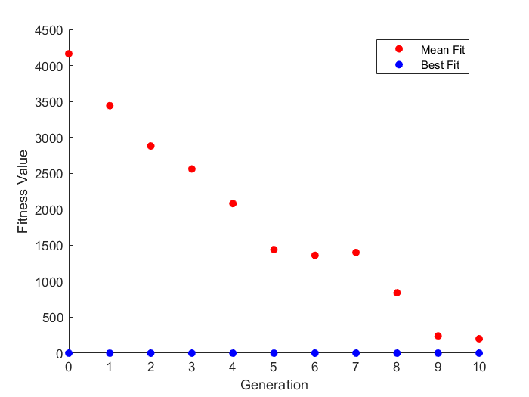
0.067129488215 | 0.2931107632 | 0.001615922775 | -0.015430502473 | -0.079090754346 | -0.20887744499 | 0.68757556705 | -0.0152242726 | 0.61815754606 | 0.14872650593 | 0.22303718465 | -0.68669534964 | -0.33982086656 | 0.24793416089 | -0.096028277908 | 0.047671452436 | -0.68548986928 | 0.19932511771 | 0.058345286186 | -0.073650001717
-0.018246308585 | -0.43837835362 | -0.33896058836 | 0.043116574213 | 0.039946389709 | -0.2109526403 | 0.18757556705 | -0.012599760881 | 0.62206379606 | 0.14236359089 | 0.22355598348 | -0.45941497397 | 0.42754744759 | 0.25184041089 | -0.095921466384 | 0.040591374311 | -0.68300268666 | 0.20318559135 | 0.063273875053 | -0.0721393816
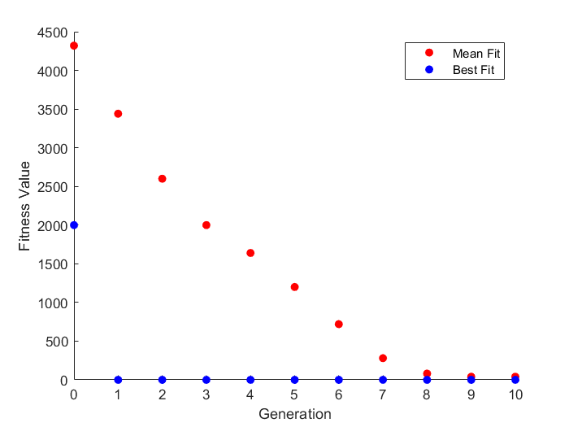
-0.020474091788 | -0.43837835362 | -0.34286683836 | 0.047022824213 | 0.039946389709 | -0.2070463903 | 0.57202772766 | -0.0152242726 | 0.62206379606 | 0.14626984089 | 0.22756904501 | 0.5157233751 | 0.030870971908 | 0.40260718077 | -0.1009263492 | 0.040591374311 | 0.31756188854 | 0.19932511771 | 0.062251536186 | -0.073650001717
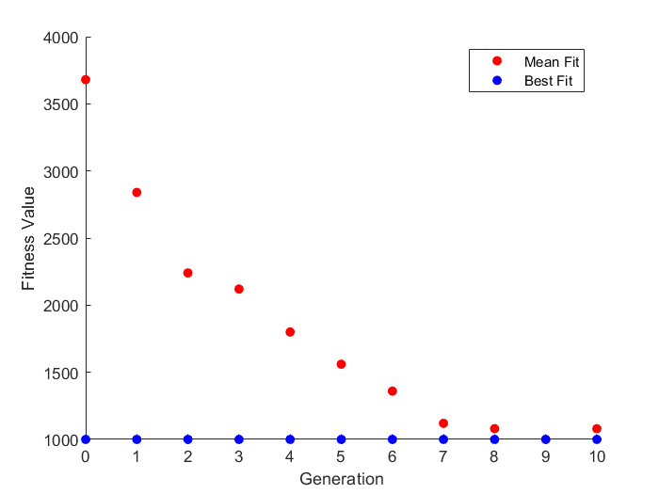
0.061727876887 | -0.65370977191 | -0.002290327225 | -0.036083355677 | 0.043684793029 | -0.20953357292 | 0.68994067935 | -0.0113180226 | 0.62586323454 | 0.1479330489 | 0.22694343465 | -0.69963480276 | 0.030550537338 | 0.40889380186 | -0.098790118728 | 0.040591374311 | 0.19430303947 | 0.19932511771 | 0.4606887137 | -0.073650001717

